How to set up SourceTree
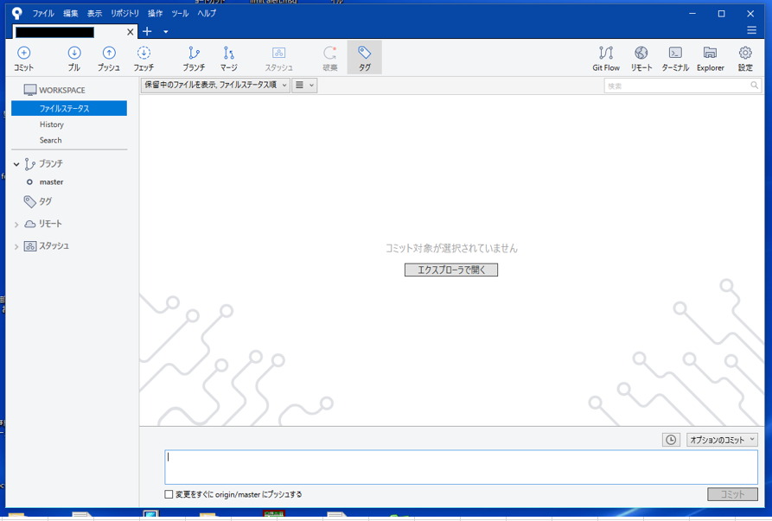
How to set up SourceTree(for Windows)

Access the SourceTree download site below;
https://www.sourcetreeapp.com/

Click "Donwload for Windows".

Check the box if you agree the important information.
Then you can click "Download".

The set up exe.file will be downloaded.
After that, the installer below will open.
If you don't have a Bitbucket Cloud Account, create it first.
Choose "Bitbucket" and Click"Next"
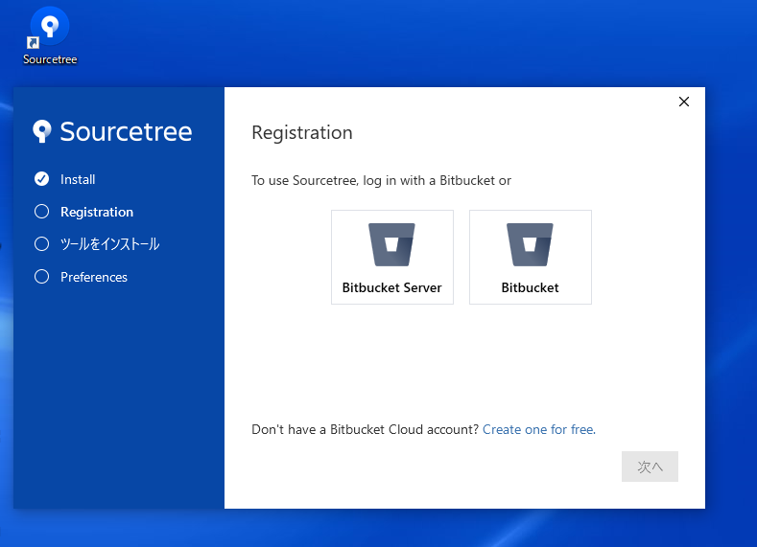



Input your e-mail address and password ,and "continue".
You can see "The Registraion is succsessfull".


Click "Next" and the Git will be extracted automatically.
After extracting is done successfully , click "Next".
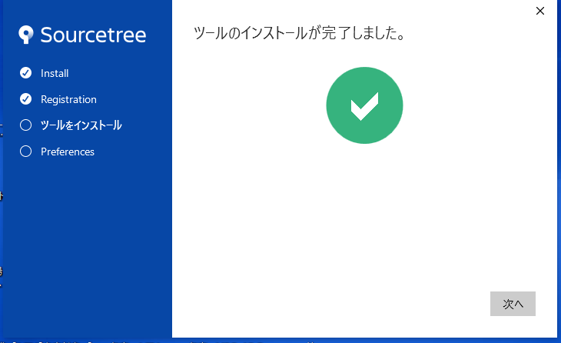

Confirm the Preferemces , and click "Next".
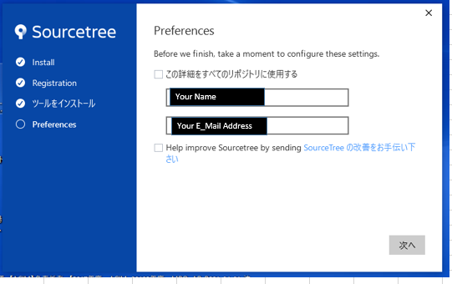

You will be asked about SSH key.You can choose eithor , because you can regist the SSH key later.

The window below will open ,and click "Clone".
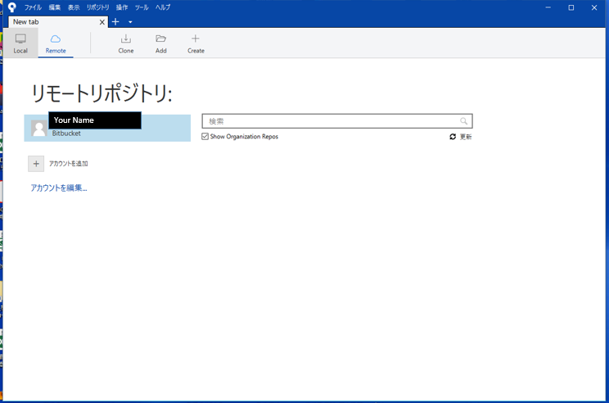

Input the Git Repositly URL, and "Path" and"Name" will be filled automatically.
If you have no error about it , you can click "clone".
If you have not added the SSH key yet , refer this.
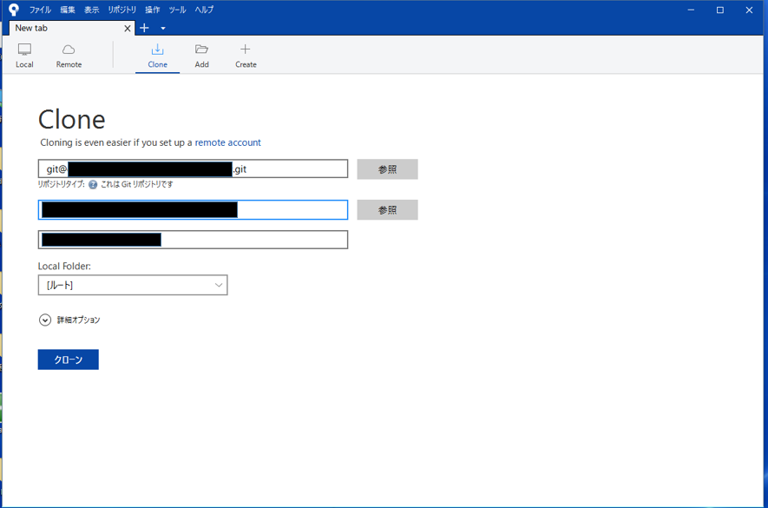

If the clone is done successfully , you can see the windou of Source Tree.

Sheet2
